Sheet1
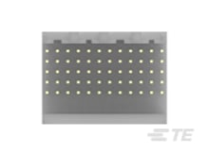
A E
1
12
5223002-2 | Board-Board Backplane Connector UNIVERSAL PINOUT
Cal Poly Racing Baja 2023

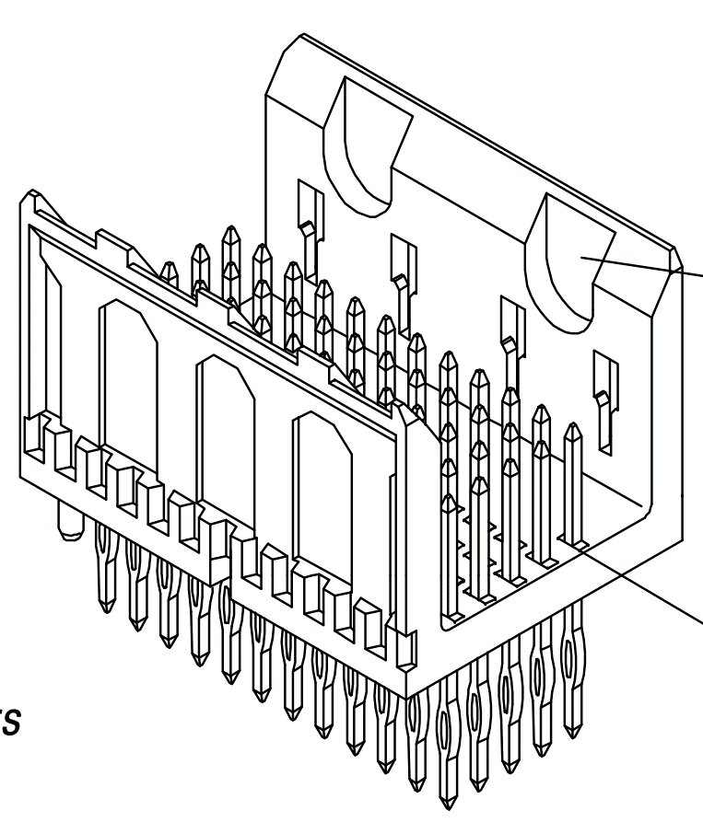
1
12
A
E
 | A | B | C | D | E | Product Page: https://www.te.com/usa-en/product-5223002-2.html
1 | 2V | I2C_DATA | RRHALL | RRBPRESS
2 | 6V | I2C_CLK | ENGHALL | FRBPRESS
3 | 5V | TX | SPARK | LOGBUT
4 | 3.3V | RX | TEMP | MARKBUT
5 | GND | CIP0 | STRG1 | LCHBUT
6 | CS1 | COP1 | STRG2 | ECVTSTAT
7 | CS2 | SCLK | STRG3 | UPSHIFT
8 | CS3 | CS4 | STRG4 | BACKSHIFT
9 | CAN_H | RPOT1
10 | CAN_L | RPOT2
11
12

 | Power
 | Coms
 | I/O
 | eCVT

